Document History
Reference: | GATC_BSI_GUID_0125_App7 | abcd |  | ERTMS TRB | 2015-10-23 | Search for last date
 |  |  |  |  | M.Demeure | Search for corresponding name
DOCUMENT REVISIONS |  |  |  |  | Do not modify the above fields.

Revision | Author | Date | Comments
2014-05-27 | M.Demeure | 2014-05-27 | Begin of History Page. Continuing from issue 20130321 that was applicable for main document version 1.7 and baseline 5.6.0 |  | This file contains automatic filling of the cover and history page.
2014-05-28 | M.Demeure | 2014-05-28 | CR atvcm00497385: Cold Movement Detector for Danemark. Complete update from the Acess data base for version 6.2.C. This is the minimum version for Baseline 6.2.C CR atvcm00532690: Event to set LLRU in grey This is the minimum version for Baseline 6.2.D |  | Do not fill the column A of this page, it's automatic and used for other fields!
2014-08-29 | M.Demeure | 2014-08-29 | Update according to code change. Includes the new LLRU COMET 1 and COMET 2 (CR atvcm00537249). This is the minimum version for Baseline 6.2.D.RC4
2014-11-25 | M.Demeure | 2014-11-25 | Only for information: The branch version has been updated for the release GATC-TRB 5.7.0 (The merge of both branches is foreseen in the next version). |  | Automatic filling of cover page:
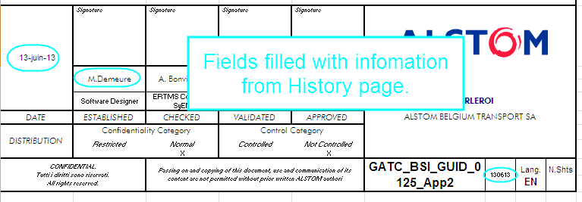
2015-03-31 | M.Demeure | 2015-03-31 | CR atvcm00590575 - BDK : Key management online Merge of the branch version for 5.7.0. This is the minimum version for Baseline 6.3.B
2015-06-26 | M.Demeure | 2015-06-26 | Update for Baseline 5.8.0 (according to evc_smart_580.mbd). Added 3741 & 3742. This is the minimum version for Baseline 5.8.0.
2015-10-23 | M.Demeure | 2015-10-23 | Update for Baseline 6.4.A (according to evc_smart_64A.mbd). Added 3743 to 3749. This is the minimum version for Baseline 6.4.A.

